AT7_Synergy_Factor
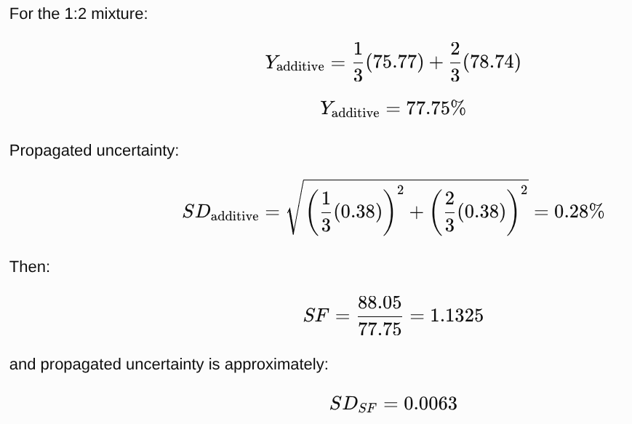

Catalyst screening

9:1 / 3 wt.% / 60 °C / 150 min
FA vs RHA vs BA 1:1 vs BA 1:2

↓

BBD optimization

BA 1:2 fixed
27 experimental runs

↓

Optimum confirmation

12:1 / 4 wt.% / 65 °C / 180 min / BA 1:2
94.8 ± 0.5%

That is the cleanest experimental story to be added in the revised manuscript

Table 7. Synergy assessment of the FA–RHA binary catalyst (BA 1:2) based on additive estimates and experimentally observed properties.

Parameter | FA | RHA | Additive estimate (1:2) | Observed BA 1:2 | Synergy Factor (SF)
BET surface area (m² g⁻¹) | 12.4 | 28.7 | 23.3 | 41.2 | 1.77
Total basicity (μmol g⁻¹) | 34.5 | 78.3 | 63.7 | 125 | 1.96
FAME yield at screening conditions (%) | 75.77 ± 0.38 | 78.74 ± 0.38 | 77.75 ± 0.28 | 88.05 ± 0.37 | 1.132 ± 0.006
95% CI of SF | — | — | — | — | 1.122–1.143
Calculation basis

For the 1:2 FA:RHA composition:

Xadditive=13XFA+23XRHAX_{\mathrm{additive}}= \frac{1}{3}X_{\mathrm{FA}}+ \frac{2}{3}X_{\mathrm{RHA}}Xadditive​=31​XFA​+32​XRHA​

For FAME yield:

Xadditive=13(75.77)+23(78.74)=77.75%X_{\mathrm{additive}} = \frac{1}{3}(75.77)+ \frac{2}{3}(78.74) =77.75\%Xadditive​=31​(75.77)+32​(78.74)=77.75%

The propagated uncertainty is:

SDadditive=(13SDFA)2+(23SDRHA)2SD_{\mathrm{additive}} = \sqrt{ \left(\frac{1}{3}SD_{\mathrm{FA}}\right)^2+ \left(\frac{2}{3}SD_{\mathrm{RHA}}\right)^2 }SDadditive​=(31​SDFA​)2+(32​SDRHA​)2​

giving:

SDadditive=0.283≈0.28%SD_{\mathrm{additive}}=0.283\approx0.28\%SDadditive​=0.283≈0.28%

The synergy factor is:

SF=XBA 1:2XadditiveSF=\frac{X_{\mathrm{BA\,1:2}}} {X_{\mathrm{additive}}}SF=Xadditive​XBA1:2​​

Thus:

SF=88.0577.75=1.1325SF=\frac{88.05}{77.75} =\mathbf{1.1325}SF=77.7588.05​=1.1325

and the propagated uncertainty is approximately:

SF=1.132±0.006\boxed{SF=1.132\pm0.006}SF=1.132±0.006​

where the ±0.006 represents the propagated standard uncertainty, not a 95% confidence interval.

Table 7

Parameter | FA | RHA | Additive Estimate (1:2) | Observed BA 1:2 | Synergy Factor (SF)
BET surface area (m² g⁻¹) | 12.4 | 28.7 | 23.3 | 41.2 | 1.77
Total basicity (μmol g⁻¹) | 34.5 | 78.3 | 63.7 | 125 | 1.96
FAME yield at screening conditions (%) | 75.77 ± 0.38 | 78.74 ± 0.38 | 77.75 ± 0.28 | 88.05 ± 0.37 | 1.132 ± 0.006

Table 7. Synergy-factor analysis of FA, RHA, and BA 1:2. The additive estimate for the FA:RHA = 1:2 formulation was calculated from the corresponding weighted contributions of the individual components. The Synergy Factor (SF) was calculated as the ratio of the observed BA 1:2 response to the corresponding additive estimate. For FAME yield, uncertainty in SF was propagated from the reported standard deviations of the individual catalyst yields.

Catalyst screening supporting values
Catalyst | MeOH:Oil | Catalyst loading (wt.%) | Temperature (°C) | Time (min) | FAME yield (%)
FA | 9:1 | 3 | 60 | 150 | 75.77 ± 0.38
RHA | 9:1 | 3 | 60 | 150 | 78.74 ± 0.38
BA 1:1 | 9:1 | 3 | 60 | 150 | 83.85 ± 0.37
BA 1:2 | 9:1 | 3 | 60 | 150 | 88.05 ± 0.37

